Hoja1
Anexo 3
PROPUESTA ECONÓMICA

FECHA DE ELABORACIÓN: AÑO / MES / DÍA |  |  | COTIZANTE: |  |  |  | NIT. Y/O C.C.

TIPO DE CONTRIBUYENTE (Seleccione una de las siguientes opciones) |  | PERSONAS NATURALES NO RESPONSABLES DE IVA

 |  | PERSONAS NATURALES RESPONSABLES DE IVA

 |  | PERSONAS JURÍDICAS

ÍTEM | ESPECIFICACIONES TÉCNICAS DE LOS BIENES Y/O SERVICIOS REQUERIDOS | CANTIDAD | UNIDAD DE MEDIDA | VALOR UNITARIO | PORCENTAJE DE IVA | VALOR IVA | VALOR TOTAL UNITARIO | SUBTOTAL | IVA | TOTAL
1 | Cámara tipo Domo PTZ, PoE, 2MP, 32x (Network Speed Dome) - Image Sensor: 1/2.8" progressive scan CMOS - Min. Illuminacion: Color: 0.005 Lux @(F1.6, AGC ON), B/W: 0.001Lux @(F1.6, AGC ON) - Dia y noche: IR Cut Filter - Digital Zoom: 16x - WDR: 120 dB WDR - Focal Length: 4.8 mm to 153 mm, 32× optical zoom Velocidad de Zoom: Approx. 5.6 s (optical lens, wide-tele) Field of View: Horizontal field of view: 55.6° to 2.04° (Wide-Tele), Vertical field of view: 32.4° to 1.14° (Wide-Tele), Diagonal field of view: 63° to 2.34° (Wide-Tele) - Distancia de trabajo: 10 mm hasta 1500mm (wide-tele) - Rango de apertura: F1.2 hasta F4.4 - Rango de movimiento (Pan): 360° endless - Pan Speed: Configurable, from 0.1°/s to 250°/s, Preset speed: 300°/s - Movement Range (Tilt): From -5° to 90° (auto-flip) - Tilt Speed: Configurable, from 0.1°/s to 150°/s, Preset Speed: 200°/s - Patrol Scan: 8 patrols, up to 32 presets for each patrol - Pattern Scan: 4 pattern scans, record time over 10 minutes for each scan - Park Action: Preset/Pattern Scan/Patrol Scan/Auto Scan/Tilt Scan/Random Scan/Frame Scan/Panorama Scan - Video Compression: Main Stream: H.265+/H.265/H.264+/H.264, Sub-stream: H.265/H.264/MJPEG, Third Stream: H.265/H.264/MJPEG - Video Bitrate: 32 Kbps to 16384 Kbps - Audio Compression: G.711alaw/ G.711ulaw/ G.722.1/ G.726/ MP2L2/PCM - Basic Event: Motion Detection, Alarm Input, Alarm Output, Video Tampering Detection, Exception - Smart Event: Face Detection, Intrusion Detection, Line Crossing Detection, Region Entrance Detection, Region Exiting Detection, Object Removal Detection, Unattended Baggage Detection - Max. Resolution: 1920 × 1080 - Protocolos: IPv4/IPv6, HTTP, HTTPS, 802.1x, Qos, FTP, SMTP, UPnP, SNMP, DNS, DDNS, NTP, RTSP, RTCP, RTP, TCP/IP, UDP, IGMP, ICMP, DHCP, PPPoE, Bonjour - Network Storage Built-in memory card slot, support Micro SD/SDHC/SDXC, up to 256 GB; NAS (NPS, SMB/ CIPS), ANR - Power: 24 VAC and Hi-PoE Max.: 22 W - Protection Level: IP66 Standard, IK10, TVS 400 | 4 | UNIDAD |  |  | - | - | - | - | -

2 | Cámara 4 MP IR Fixed Dome Network - Image Sensor: 1/3" Progressive Scan CMOS - Min. Illumination: Color: 0.01 Lux @ (F1.2, AGC ON), 0.018 Lux @ (F1.6, AGC ON), 0 Lux with IR - Shutter Speed: 1/3 s to 1/100,000 s - Digital Noise Reduction: 3D DNR - WDR: 120dB - Focal length: 2.8/4/6/8 mm - Aperture: F1.6 - IR Range: Up to 40 m - Video Compression: Main stream: H.265/H.264, Sub- stream: H.265/H.264/MJPEG, Third stream: H.265/H.264 - Audio Compression (-S): G.711/ G.722.1/ G.726/ MP2L2/ PCM - Max. Resolution: 2688 × 1520 @30fps - Alarm Trigger Motion detection, video tampering, network disconnected, IP address conflict, illegal login, HDD full, HDD error - Protocols TCP/IP, ICMP, HTTP, HTTPS, FTP, DHCP, DNS, DDNS, RTP, RTSP, RTCP, PPPoE, NTP, UPnP™, SMTP, SNMP, IGMP, 802.1X, QoS, IPv6, Bonjour - Network Storage Support Micro SD/SDHC/SDXC card (128G), local storage and NAS (NFS,SMB/CIFS), ANR - Power Supply 12 VDC ± 25%, 5.5 mm coaxial power plug PoE (802.3af, class 3) - Protection Level IP67, IK10 | 2 | UNIDAD |  |  | - | - | - | - | -

3 | Soporte de pared para cámaras. - Características: Adecuado para montaje en esquina de pared con domo Speed - Materiales: Aluminum alloy & Steel - Dimensiones: 176.8×194×417.8mm - Peso: 2809g | 6 | UNIDAD |  |  | - | - | - | - | -

4 | POE, 60W, para cámaras. - Input Current: 2A - Output Voltage Range: 54V~57V - Output Power 60W - Pass Through Data Rates: 10/100/1000 Mbps - Ports: Two 10/100/1000M adaptive RJ45 ports, one is DATA/IN, another is PoE/DATA - Base Function: Compliance to IEEE 802.3 at/af Standard for PD - Protection Methods: Output Over Current Protection, Short Circuit Protection - Dimension: 185mm*70.8mm*37mm (L*W*H) | 6 | UNIDAD |  |  | - | - | - | - | -

5 | Cámara tipo Domo PTZ, PoE, 2MP, 32x (Network Speed Dome) - Image Sensor: 1/2.8" progressive scan CMOS - Min. Illuminacion: Color: 0.005 Lux @(F1.6, AGC ON), B/W: 0.001Lux @(F1.6, AGC ON) - Dia y noche: IR Cut Filter - Video Compression: Main Stream: H.265+/H.265/H.264+/H.264, Sub-stream: H.265/H.264/MJPEG, Third Stream: H.265/H.264/MJPEG - Video Bitrate: 32 Kbps to 16384 Kbps - Audio Compression: G.711alaw/ G.711ulaw/ G.722.1/ G.726/ MP2L2/PCM - Basic Event: Motion Detection, Alarm Input, Alarm Output, Video Tampering Detection, Exception - Smart Event: Face Detection, Intrusion Detection, Line Crossing Detection, Region Entrance Detection, Region Exiting Detection, Object Removal Detection, Unattended Baggage Detection - Max. Resolution: 1920 × 1080 - Protocolos: IPv4/IPv6, HTTP, HTTPS, 802.1x, Qos, FTP, SMTP, UPnP, SNMP, DNS, DDNS, NTP, RTSP, RTCP, RTP, TCP/IP, UDP, IGMP, ICMP, DHCP, PPPoE, Bonjour - Network Storage Built-in memory card slot, support Micro SD/SDHC/SDXC, up to 256 GB; NAS (NPS, SMB/ CIPS), ANR - Power: 24 VAC and Hi-PoE Max.: 22 W - Protection Level: IP66 Standard, IK10, TVS 4000V Lightning Protection, Surge Protection and Voltage Transient Protection | 3 | UNIDAD |  |  | - | - | - | - | -

6 | Cámara 4 MP IR Fixed Dome Network - Image Sensor: 1/3" Progressive Scan CMOS - Min. Illumination: Color: 0.01 Lux @ (F1.2, AGC ON), 0.018 Lux @ (F1.6, AGC ON), 0 Lux with IR - Shutter Speed: 1/3 s to 1/100,000 s - Digital Noise Reduction: 3D DNR - WDR: 120dB - Focal length: 2.8/4/6/8 mm - Aperture: F1.6 - IR Range: Up to 40 m - Video Compression: Main stream: H.265/H.264, Sub- stream: H.265/H.264/MJPEG, Third stream: H.265/H.264 - Audio Compression (-S): G.711/ G.722.1/ G.726/ MP2L2/ PCM - Max. Resolution: 2688 × 1520 @30fps - Alarm Trigger Motion detection, video tampering, network disconnected, IP address conflict, illegal login, HDD full, HDD error - Protocols TCP/IP, ICMP, HTTP, HTTPS, FTP, DHCP, DNS, DDNS, RTP, RTSP, RTCP, PPPoE, NTP, UPnP™, SMTP, SNMP, IGMP, 802.1X, QoS, IPv6, Bonjour - Network Storage Support Micro SD/SDHC/SDXC card (128G), local storage and NAS (NFS,SMB/CIFS), ANR - Power Supply 12 VDC ± 25%, 5.5 mm coaxial power plug PoE (802.3af, class 3) - Protection Level IP67, IK10 | 7 | UNIDAD |  |  | - | - | - | - | -

7 | Cámara - 6 MP IR Varifocal Bullet Network Camera - Image Sensor: 1/2.9" Progressive Scan CMOS - Min. Illumination: Color: 0.01 Lux @ (F1.2, AGC ON), 0.018 Lux @ (F1.6, AGC ON), 0 Lux with IR - Shutter Speed: 1/3 s to 1/100,000 s - Digital Noise Reduction: 3D DNR - WDR: 120dB - 3-Axis Adjustment: Pan: 0°to 355°, tilt: 0°to 90°, rotate: 0°to 355° - Focal Length: 2.8 to 12 mm - Lens Type: Motorized - Aperture: F1.6 - IR Range: Up to 50 m - Video Compression: Main stream: H.265/H.264, Sub- stream: H.265/H.264/MJPEG, Third stream: H.265/H.264 - Max. Resolution: 3072 × 2048 - Protocols: TCP/IP, ICMP, HTTP, HTTPS, FTP, DHCP, DNS, DDNS, RTP, RTSP, RTCP, PPPoE, NTP, UPnP, SMTP, SNMP, IGMP, 802.1X, QoS, IPv6, Bonjour - Network Storage Support Micro SD/SDHC/SDXC card (128G), local storage and NAS (NFS,SMB/CIFS), ANR - Alarm Trigger Motion detection, video tampering, network disconnected, IP address conflict, illegal login, HDD full, HDD error - Protection Level: IP67 - Power Supply: 12 VDC ± 25%, PoE (802.3at, class 4), 5.5 mm coaxial power plug - Power Consumption and Current: 12 VDC, 1.2A, max. 14.5W PoE (802.3at, 42.5V to 57V), 0.5A to 0.3A, max. 18W | 8 | UNIDAD |  |  | - | - | - | - | -

8 | Soporte de pared para cámaras. - Características: Adecuado para montaje en esquina de pared con domo Speed - Materiales: Aluminum alloy & Steel - Dimensiones: 176.8×194×417.8mm - Peso: 2809g | 10 | UNIDAD |  |  | - | - | - | - | -

9 | Network keyboard 7” resistive touchscreen, preview, PTZ and TV wall control, 4-axis joystick - Format: H.264, H.265, MPEG4 - Performance: 4@1080p - Screen división: Single screen - Display: 7" TFT LCD at 1024 × 600 resolution - Joystick: 4D joystick - Audio: 1 video input and 1 video output of 3.5 mm audio jack. Supports two-way audio - Video: Not supported - USB: 1 × USB 2.0 interface - Serial port: 1 × RS-232, 1 × RS-485 Network: 1 × 100M/1000M self-adaptive network interface - System: Linux - Dimensions: (L × W × H) 435 × 193 × 110 mm (17.1" × 7.6" × 4.3") - Weight: 2 KG (4.4 lb) - Working temperatura: -10 °C to +55 °C (14 °F to 131 °F) - Working Humidity: 10¿ to 90¿ - Power supply: 12 VDC - Consumption: 15 W | 1 | UNIDAD |  |  | - | - | - | - | -

10 | NVR 32ch para cámaras digitales - IP video input: 32ch - Incoming bandwidth: 320 Mbps, or 200 Mbps (when RAID is enabled) - Outgoing bandwidth: 256 Mbps, or 200 Mbps (when RAID is enabled) - Recording resolution: 12 MP/8 MP/6 MP/5 MP/4 MP/3 MP/ 1080p/ UXGA/ 720p/ VGA/ 4CIF/ DCIF/ 2CIF/ CIF/QCIF - VGA1 /HDMI1 output resolution: VGA1: 2K (2560 × 1440)/60Hz, 1920 × 1080/60Hz, 1280 × 1024/60Hz, 1280 × 720/60Hz, 1024 × 768/60Hz; HDMI1: 4K (3840 × 2160)/60Hz, 4K (3840 × 2160) /30Hz, 2K (2560 × 1440)/60Hz, 1920 × 1080/60Hz, 1600 × 1200/60Hz, 1280 × 1024/60Hz, 1280 × 720/60Hz, 1024 × 768/60Hz - VGA2 /HDMI2 output resolution: 1920 × 1080/60Hz, 1280 × 1024/60Hz, 1280 × 720/60Hz, 1024 × 768/60Hz - Decoding format: H.265/ H.265+/ H.264/ H.264+/ MPEG4 - Live view/Playback resolution: 12 MP/8 MP/6 MP/5 MP/4 MP/3 MP/ 1080p/ UXGA/ 720p/ VGA/4CIF/DCIF /2CIF/ CIF/ QCIF - Network protocols: TCP/IP, DHCP, HIK Cloud P2P, DNS, DDNS, NTP, SADP, SMTP, NFS, iSCSI, UPnP™, HTTPS - SATA: 16 SATA interfaces - eSATA: 1 eSATA interface - Capacity: Up to 6TB capacity for each HDD - Network Disk: Up to 8 Network disks (NAS or iSCSI) - Array type: RAID0, RAID1, RAID5, RAID6, RAID10 - Two-way audio: 1-ch, RCA (2.0 Vp-p, 1 k ) - Network interface: 2, RJ-45 10/100/1000 Mbps self- adaptive Ethernet interface - Serial interface: RS-232; RS-485; Keyboard - USB interface: Front panel: 2 × USB 2.0; Rear panel: 1 × USB 3.0 - Power supply: 100 to 240 VAC, 50 to 60 Hz - Max. Power: 300 W - Chassis: 19-inch rack-mounted 3U chassis - Dimensions: (W × D × H) 445 × 496 × 146 mm (17.5" × 19.5" × 5.7") - Working temperatura: -10 to +55° C (+14 to +131° F) - Working humidity: 10 to 90 % | 1 | UNIDAD |  |  | - | - | - | - | -

11 | Disco Duro HDD Optimizados para los sistemas de vigilancia NVR-DVR. - Capacidad: 8TB - Interfaz: SATA 6Gb/s - Factor De Forma: 3,5" - RPM: 7200rpm - Caché: 256MB - Ciclos de carga / descarga: 600.000 - Errores de lectura no recuperables por bits leídos: 1 en 1015 - Requisitos promedio de energia: Lectura escritura: 8.6W, Inactivo: 7.4W, Espera y suspensión: 0.4W | 10 | UNIDAD |  |  | - | - | - | - | -

12 | Licencia para 16Ch para el NVR - Video Surveillance Base package - Including prerequisites for channel expanding, all fundamental features of video surveillance system and 16 cameras manageable. Supported:2 years free SUP,Main/Auxiliary Storage,Alarm Management,Google Map,Evidence Management, Running on Virtual Machine, 100 Users Logged In Simultaneously,Heath Monitoring/History Maintemance Data, Client Operation (e.g.Visual Tracking, Custom Window Division),etc. | 1 | UNIDAD |  |  | - | - | - | - | -

13 | Licencia para agregar 1 canal adiciona de video, para el NVR | 1 | UNIDAD |  |  | - | - | - | - | -

14 | Switch PoE + Fuente de 680W + Modulo de 4 port SFP+ - Puertos y ranuras I/O: 20 Autosensing 10/100/1000 ports (IEEE802.3 Type 10BASE-T, IEEE 802.3u Type 100BASETX, IEEE 802.3ab Type 1000Base-T IEEE 802.3at PoE+); Duplex: 10BASE¿T/100BASE-TX:half or full;1000BASE-T:full only - 4 puertos Combo 10/100/1000BASE-T o 100/ 1000Mbps SFP - Memoria y Procesador: Dual Core ARM Cortex A9 @ 1016 Hz, 1 GB DDR3 SDRAM, Paquete Buffer Tamaño: 12.38 MB 4.5MB Ingress/7.875MB Egress, 4GB eMMC - Latencia a 10 Gbps: < 98.5us (FIFO paquetes de 64 bytes) - Latencia a 100 Gbps: <11.8us (FIFO paquetes de 64 bytes) - Latencia a 1000 Mbps: < 3.1us (FIFO paquetes de 64 bytes) - Latencia a 10 Gbps: <3.4us (FIFO paquetes de 64 bytes) - Throughput: 95.2 Mpps - Rendimiento de Stacking: 100 Gbps - Capacidad de Switching: 128 Gbps - Capacidad de Switching (incluyendo Stacking): 228Gbps - Frecuencia: 50/60Hz - Voltaje: 100-127/200 240 VAC - Corriente: 5A/2.5A | 1 | UNIDAD |  |  | - | - | - | - | -

15 | CONFIGURACION DE SOLUCION (NVRS + SW + JOYSTICK) | 1 | UNIDAD |  |  | - | - | - | - | -

16 | 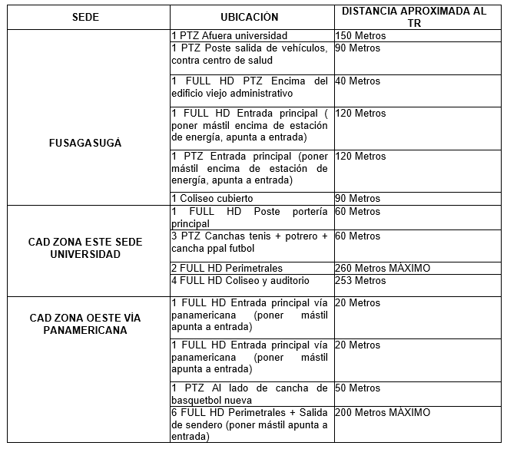 INSTALACION DE PUNTO DE RED PARA CAMARA IP INCLUYE DUCTERIA Y MATERIALES + CERTIFICACION Se informa la distancia entre los puntos de instalación de las cámaras al TR así: | 18 | UNIDAD |  |  | - | - | - | - | -

17 | 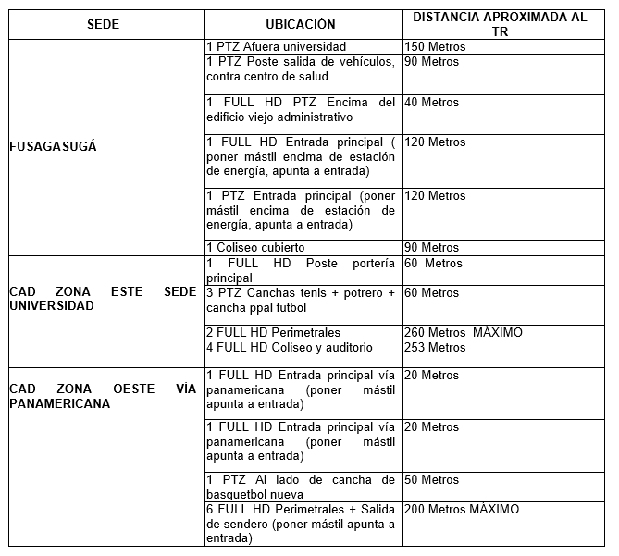 PUNTO DE RED, PONCHAR + CERTIFICACION se informa la distancia entre los puntos de instalación de las cámaras al TR así:: | 6 | UNIDAD |  |  | - | - | - | - | -

18 | RACK DE 160CM + ORGANIZADORES + PDU (MULTITOMA) | 1 | UNIDAD |  |  | - | - | - | - | -

 |  |  |  |  |  |  | VALOR NO GRAVADO (TARIFA 0) |  |  | -
 |  |  |  |  |  |  | VALOR GRAVADO IVA 5% |  |  | -
 |  |  |  |  |  |  | VALOR GRAVADO IVA 19% |  |  | -
 |  |  |  |  |  |  | SUBTOTAL |  |  | -
 |  |  |  |  |  |  | IVA 5% |  |  | -
 |  |  |  |  |  |  | IVA 19 % |  |  | -
 |  |  |  |  |  |  | TOTAL IVA |  |  | -
 |  |  |  |  |  |  | TOTAL OFERTA |  |  | -

 | FIRMA REPRESENTANTE LEGAL Y/O PERSONA NATURAL

Código Serie Documental (Ver Tabla de Retención Documental).

